BillofSupply
 |  |  |  | KVR BEST PROPERTY MANAGEMENT PVT.LTD

Annexure - 16 | (Tentative format - Corrected will be given before commencement of work)
 | Summary sheet for Miscellenious Repair Work

Vendor Name : | KVR BEST PROPERTY MANAGEMENT PVT.LTD
Period : | 2025-2026
State :
Format : | bntfg
SNo | City / Town | Store SAP code | Fault No | Date of fault | Nature of job in brief | Bill No. | Bill Date | Amount | Service Fee | GST Value | Total Bill Amount (Rs)
1 | KERALA | 6958 | 5213 | 2025-05-08 | Testing | QHCKL20250019 |  | 15 | 0 | 2.7 | 17.7

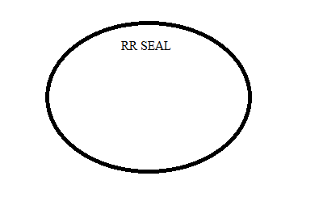
Vendor's representative | Name & Sign |  |  |  | Checked by FM : |  |  |  | Name & Sign of FM Representative

 |  |  |  |  | Store Personnel : |  |  |  | Name & Sign of Store Manager

